Summary
 |  |  |  |  |  |  | KeGI (Feces) | Dorough, 1977 | Female rats | A & B

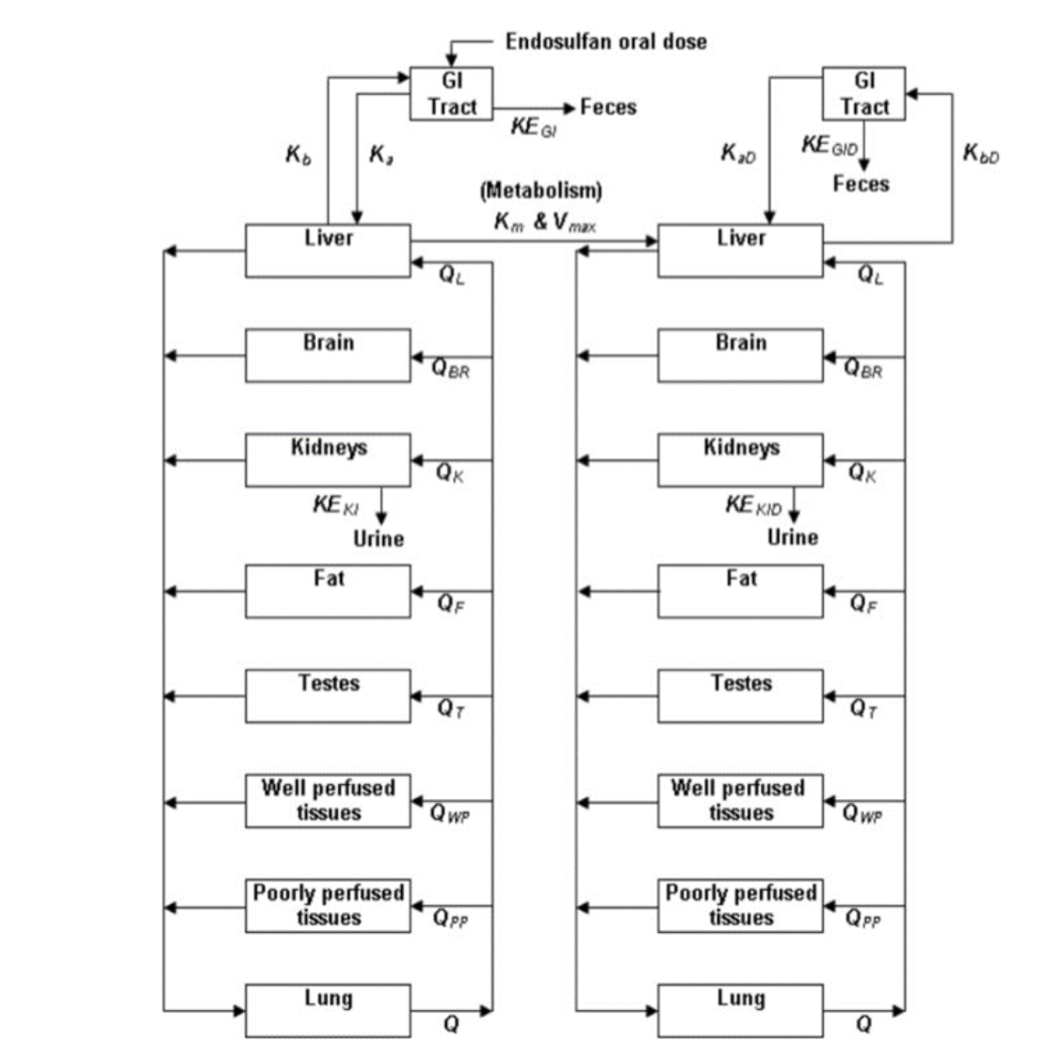

 |  | Kb (bilary) | Dorough, 1977 | Female rats | A & B

Tissue concentrations
Kidney |  |  |  |  |  |  |  |  |  |  | Blood Serum concentration
Liver |  |  |  |  |  |  |  |  |  |  | Nath, 1988 | Male rats | Endosulfan
Visceral fat |  |  |  |  |  |  |  |  |  |  | Dikshith, 1984 | (Fe)Male rats | A & B
Subcutaneous fat |  |  |  |  |  |  |  |  |  |  | Chan, 2005 | Male rats | Endosulfan | Both blood and serum*
Dorough, 1977 | Female rats | A & B

 | Keki (Urine) | Dorough, 1977 | Female rats | A & B

Tissue concentrations
Muscle |  |  | Tissue concentrations
Brain |  |  | Fatty Tissue
Dorough, 1977 | Female rats | Endosulfan | Liver
 |  |  | Kidney
 |  |  | Testis
 |  |  | Brain
 |  |  | Nath, 1988 | Male rats | Endosulfan
Tissue concentrations
Fatty tissue
Liver
Kidney
Brain
Dikshith, 1984 | (Fe)Male rats | A & B | Tissue concentrations
 |  |  | Testis |  |  | Tissue concentrations
 |  |  | Epididymis |  |  | Liver
Tissue concentrations |  |  | Seminal vesicle |  |  | Kidney
Brain (various tissues) |  |  | Ventral prostate |  |  | Stomach
Plasma (from brain) |  |  | Liver |  |  | Large Intestine
Gupta, 1978 | Male rats | A & B & S | Brain |  |  | Cecum
 |  |  | Kidney |  |  | GI tract
 |  |  | Spleen |  |  | Spleen
 |  |  | Lung |  |  | Heart
 |  |  | Heart |  |  | Lung
 |  |  | Ansari, 1985 | Male rats | A & B | Brain
 |  |  |  |  |  | Throid gland
 |  |  |  |  |  | Muscle
 |  |  |  |  |  | Testies
 |  |  |  |  |  | Fat
 |  |  |  |  |  | Chan, 2005 | Male rats | Endosulfan

Dorough, 1977; calc
Name paper | Fate of endosulfan in rats and toxicological considerations of apolar metabolites |  |  |  |  |  |  |  |  |  |  | Note
First Author & Year | Dorough, 1977 |  |  |  |  |  |  |  |  |  |  | mg/kg bw | (ppm * BW)/1000
animal | Female albino rats |  |  |  |  |  |  |  |  |  |  | umol/L | (concentration (ppm) * 10^6 * 10^-3)/M
dose (mg/kg) | 2 mg/kg and dietary supplement (5 ppm or 25 ppm isomer or mix) |  |  |  |  |  |  |  |  |  |  | 10^6 to convert |  | 12.28712555 | umol/L
frequency dosage | Single or 2/7/10/14 days (with 1/3/7/14 days off treatment) |  |  |  |  |  |  |  |  |  |  | MW | 406.93
Acute/Chronic etc. | acute/ intermediate |  |  |  |  |  |  |  |  |  |  | 5 ppm is 5 mg/L
Compound measrued | c14 radioactive alpha or beta |  |  |  |  |  |  |  |  |  |  | 5 ppm is 5000 ug/L
Measured as |  |  |  |  |  |  |  |  |  |  |  | umol = ug/mw * 10^- 6
timepoint(s) | various (elimination after 14 days daily consumption or single exposure, also with off treatment period)
comments |  |  |  |  |  |  |  |  |  |  |  |  |  |  |  |  |  |  |  | Converted into umol/L
 | On treatment |  |  |  |  |  |  |  |  |  | Off treatment |  |  |  |  |  |  |  |  |  | On treatment
 | 1 |  | 2 |  | 7 |  | 10 |  | 14 |  | 1 |  | 3 |  | 7 |  | 14 |  |  |  | 1 |  | 2 |  | 7 |  | 10 |  | 14
Organs | Alpha | Beta | Alpha | Beta | Alpha | Beta | Alpha | Beta | Alpha | Beta | Alpha | Beta | Alpha | Beta | Alpha | Beta | Alpha | Beta |  | Organs | Alpha | Beta | Alpha | Beta | Alpha | Beta | Alpha | Beta | Alpha | Beta
Kidney | 0.38 | 0.47 | 1.26 | 1.21 | 1.77 | 1.87 | 2.28 | 2.08 | 3 | 3.26 | 2.27 | 3.34 | 1.89 | 2.21 | 1.53 | 1.66 | 0.94 | 0.92 |  | Kidney | 0.93382154179 | 1.1549898017 | 3.0963556386 | 2.9734843831 | 4.3496424446 | 4.5953849556 | 5.6029292507 | 5.1114442287 | 7.3722753299 | 8.0112058585
Liver | 0.26 | 0.32 | 1.02 | 0.79 | 0.96 | 0.75 | 1.11 | 0.94 | 1.08 | 1.06 | 1 | 0.87 | 0.49 | 0.57 | 0.28 | 0.36 | 0.11 | 0.19 |  | Liver | 0.63893052859 | 0.78637603519 | 2.5065736122 | 1.9413658369 | 2.3591281056 | 1.8430688325 | 2.7277418721 | 2.3099796034 | 2.6540191188 | 2.6048706166
Visceral fat | 0.34 | 0.24 | 0.85 | 1.02 | 0.74 | 0.53 | 0.94 | 0.55 | 0.62 | 0.5 | 0.45 | 0.42 | 0.15 | 0.28 |  |  |  |  |  | Visceral fat | 0.83552453739 | 0.58978202639 | 2.0888113435 | 2.5065736122 | 1.8184945814 | 1.3024353083 | 2.3099796034 | 1.3515838105 | 1.5236035682 | 1.228712555
Subcutaneous fat | 0.32 | 0.3 | 0.23 | 0.34 | 0.51 | 0.3 | 0.15 | 0.28 | 0.15 | 0.32 | 0.02 | 0.05 |  |  |  |  |  |  |  | Subcutaneous fat | 0.78637603519 | 0.73722753299 | 0.56520777529 | 0.83552453739 | 1.2532868061 | 0.73722753299 | 0.3686137665 | 0.68807903079 | 0.3686137665 | 0.78637603519

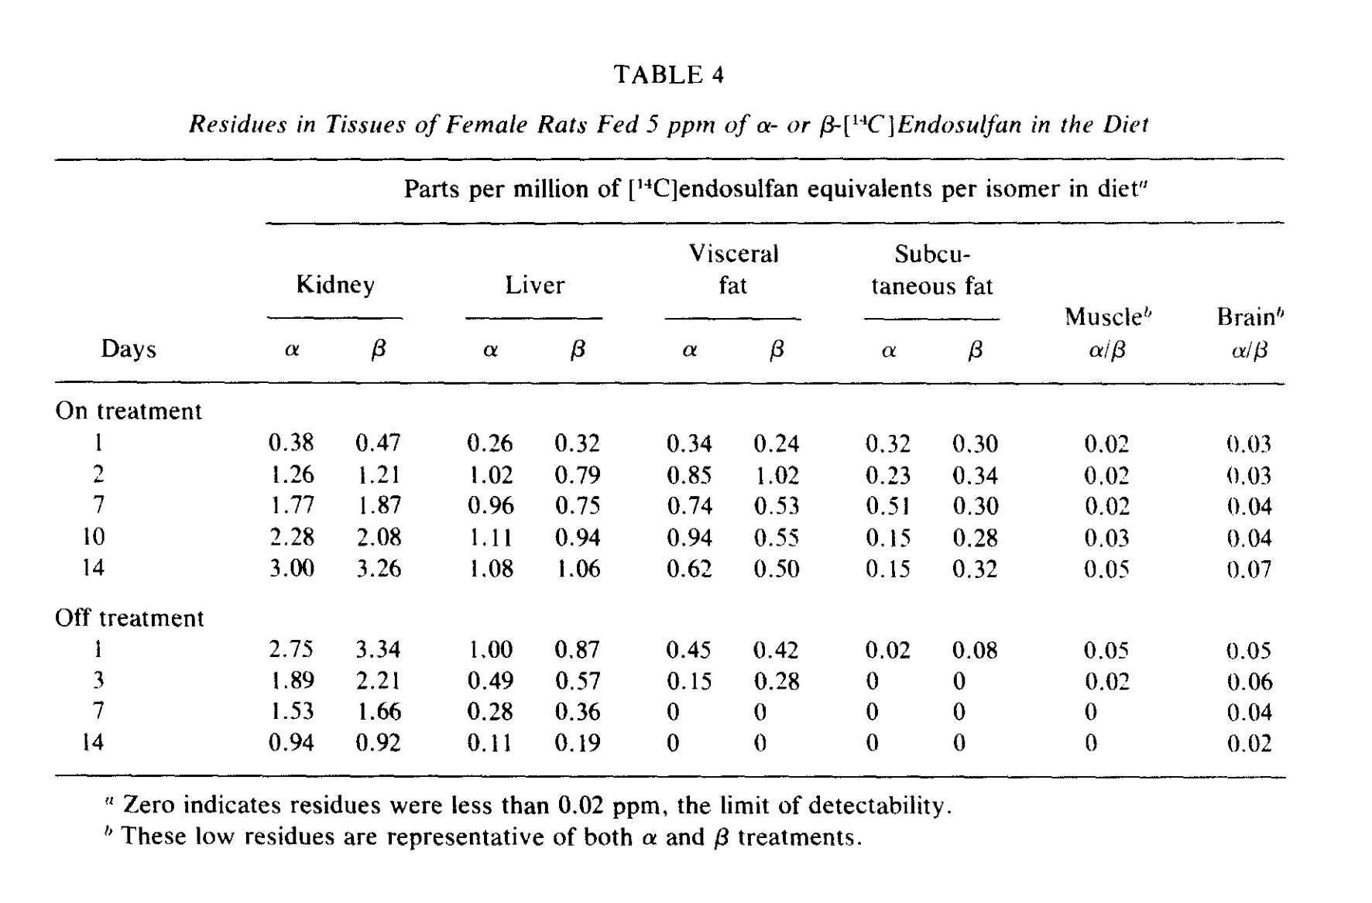
 | On treatment |  |  |  |  |  | Off treatment
(sum alpha beta) | 1 | 2 | 7 | 10 | 14 |  | 1 | 3 | 7 | 14
Muscle | 0.02 | 0.02 | 0.02 | 0.03 | 0.05 |  | 0.05 | 0.02
Brain | 0.03 | 0.03 | 0.04 | 0.04 | 0.07 |  | 0.05 | 0.06 | 0.04 | 0.02

Treatment and time | (cummulative percentage of dose(s)
single dose Alpha 2 mg/kg | Feces | Urine | total
24 hours | 11 | 7.7 | 18.7
48 hours | 61.6 | 11.1 | 72.7 | (bile cannulated)
96 hours | 73 | 12.5 | 85.5
120 hours | 74.8 | 13.2 | 88

single dose Beta 2 mg/kg |  |  |  |  |  |  |  |  |  |  |  |  |  |  |  |  | faeces
24 hours | 12.5 | 12.3 | 24.8 |  |  |  |  |  |  |  |  |  |  |  |  | hour | percentage |  | urine | total excreted | endosulfan in body
48 hours | 55.1 | 16 | 71.1 | (bile cannulated) |  |  |  |  |  |  |  |  |  |  |  | 24 | 11 |  | 7.7 | 18.7 | 81.3
96 hours | 66.5 | 17.7 | 84.2 |  |  |  |  |  |  |  |  |  |  |  |  | 48 | 61.6 |  | 11.1 | 72.7 | 27.3
120 hours | 68.3 | 18.5 | 86.6 |  |  |  |  |  |  |  |  |  |  |  |  | 96 | 73 |  | 12.5 | 85.5 | 14.5
 |  |  |  |  |  |  |  |  |  |  |  |  |  |  |  | 120 | 74.8 |  | 13.2 | 88 | 12
Dietary supplement (daily for 14 days)
 | Feces | Urine | total
Alpha 5 ppm
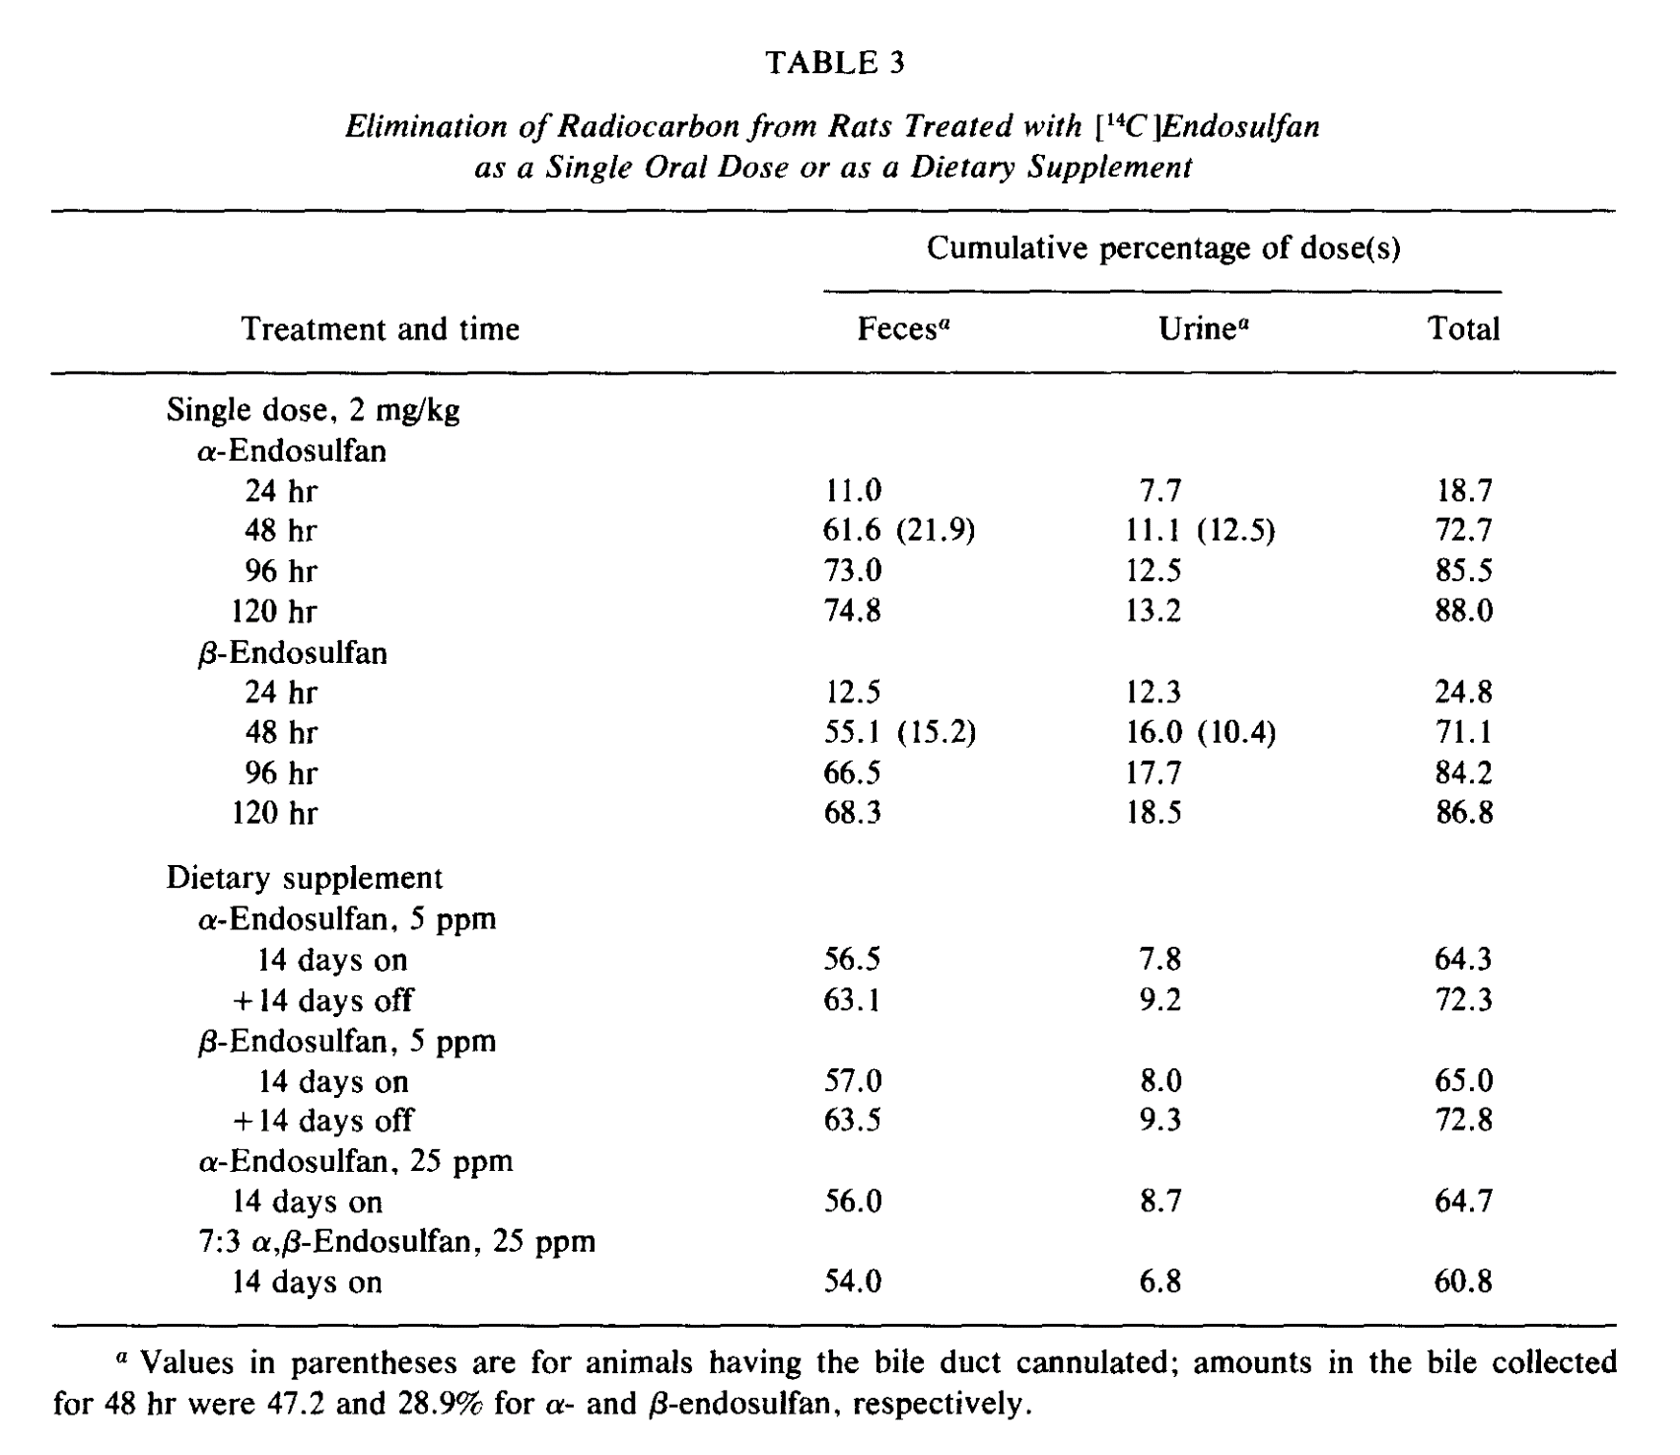
14 days on | 56.5 | 7.8 | 64.3
+ 14 days off | 63.1 | 9.2 | 72.3

Beta 5 ppm
14 days on | 57 | 8 | 65
+ 14 days off | 63.5 | 9.3 | 72.8

Alpha 25 ppm
14 days on | 56 | 8.7 | 64.7

Alpha:beta 7:3 25 ppm
14 days on | 54 | 6.8 | 60.8

Gupta, 1978 Calc
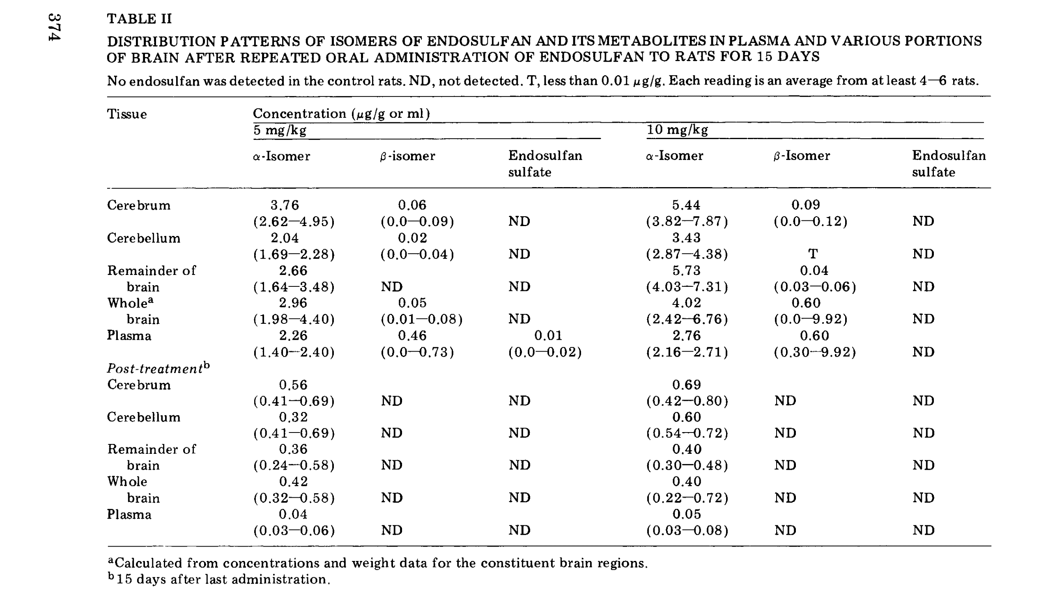
Name paper | DISTRIBUTION OF ENDOSULFAN IN PLASMA AND BRAIN AFTER REPEATED ORAL ADMINISTRATION TO RATS
First Author & Year | Gupta, 1978
animal | Male albino rats
dose (mg/kg) | 5 or 10 mg/kg BW
frequency dosage | daily oral exposure 2:1 EST
Acute/Chronic etc. | intermediate
Compound measrued | Alpha, Beta, Sulfate
Measured as | GC
timepoint(s) | 24 hours after last exposure, or post-treatment (15 days after last administration)

 | concentratoin ug/g or ml |  | ND = non-detected |  | T is < 0.01 ug/g
Tissue | 5 mg/g |  |  |  | 10 mg/g
(day 16) | alpha | beta | sulfate |  | alpha | beta | sulfate
Cerebrum | 3.76 | 0.06 |  |  | 5.44 | 0.09
Cerebellum | 2.04 | 0.02 |  |  | 3.43 | T
Remainder of brain | 2.66 | 0.05 |  |  | 5.73 | 0.04
Whole brain | 2.96 | 0.05 |  |  | 4.02 | 0.6
Plasma | 2.26 | 0.46 | 0.01 |  | 2.76 | 0.6

Post-treatment (30 days)
Cerebrum | 0.56 |  |  |  | 0.69
Cerebellum | 0.32 |  |  |  | 0.6
Remainder of brain | 0.36 |  |  |  | 0.4
Whole brain | 0.42 |  |  |  | 0.4
Plasma | 0.04 |  |  |  | 0.05

 | Alpha |  |  |  |  |  | Alpha | 10 mg
Time | Total brain ug/ml | total brain in ug/L | umol/L |  |  |  | Total brain ug/ml | total brain in ug/L | umol/L
384 | 2.96 | 2960 | 7.2739783255 | (daily 5 mg/kg bw) |  |  | 4.02 | 4020 | 9.8788489421
 | Beta |  |  |  |  |  | Beta | 10 mg
 | 0.05 | 50 | 0.1228712555 | (daily 5 mg/kg bw) |  |  | 0.6 | 600 | 1.474455066
 | Alpha |  |  |  |  |  | Alpha | 10 mg
720 | Total brain ug/ml | total brain in ug/L | umol/L |  |  |  | Total brain ug/ml | total brain in ug/L | umol/L
 | 0.42 | 420 | 1.0321185462 |  |  |  | 0.4 | 400 | 0.98297004399
 | Beta |  |  |  |  |  | Beta | 10 mg
 | 0 |  |  |  |  |  | 0

Compound | Time | Daily dose | Plasma ug/ml | Plasma ug/L | umol/L
Alpha | 384 | 5 | 2.26 | 2260 | 5.5537807485
Alpha | 384 | 10 | 2.76 | 2760 | 6.7824933035
Alpha | 720 | 5 | 0.04 | 40 | 0.098297004399
Alpha | 720 | 10 | 0.05 | 50 | 0.1228712555
Beta | 384 | 5 | 0.46 | 460 | 1.1304155506
Beta | 384 | 10 | 0.6 | 600 | 1.474455066
Beta | 720 | 5 | 0 | 0 | 0 | (Gupta, 1978, p. 4)
Beta | 720 | 10 | 0 | 0 | 0

Sulfate | 384 | 5 | 0.01 | 10 | 0.023643456673
Sulfate | 384 | 10 | 0 | 0 | 0

Nath, 1978 calc
Name paper | INTERACTION OF ENDOSULFAN* AND METEPA** IN RATS
First Author & Year | Nath 1978
animal | Male albino rats
dose (mg/kg) | 11 mg/kg/day
frequency dosage | daily
Acute/Chronic etc. | intermediate
Method | gas-liquid chromatography
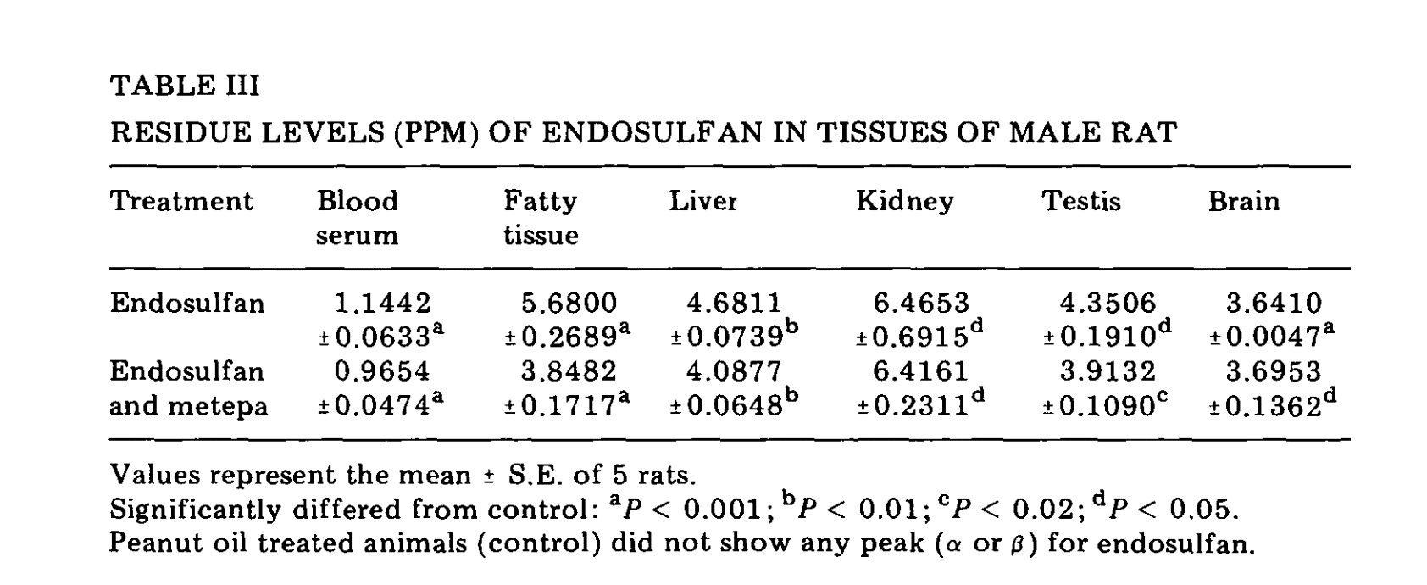
Compound measrued | endosulfan
Measured as | endosulfan
timepoint(s) | 31 days
comments
 | Residue levels ppm of endosulfan in tissues of male rats
Tissues/Organs | Endosulfan ppm |  | Endosulfan umol/L
Blood Serum | 1.1442 |  | 2.8117858108
Fatty Tissue | 5.68 |  | 13.958174625
Liver | 4.6811 |  | 11.503452682
Kidney | 6.4653 |  | 15.887990563
Testis | 4.3506 |  | 10.691273683
Brain | 3.641 |  | 8.9474848254

 |  | mw | 406.93

 |  | 2.45742511

Dikshith, 1984; calc
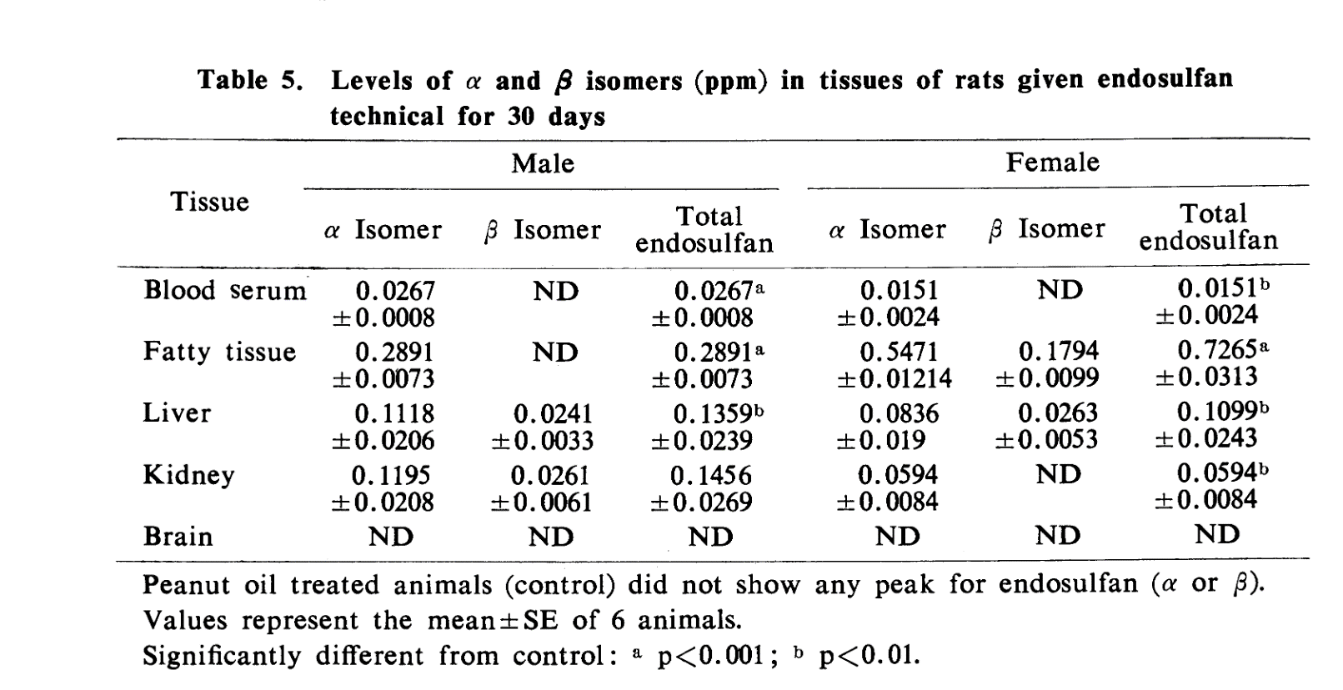
Name paper | Response of rats to repeated oral administration of endosulfan.
First Author & Year | Dikshith 1984
animal | male and female rats
dose (mg/kg) | 0 0.25 0.75 1.5 2.5 5.0
frequency dosage | daily oral
Acute/Chronic etc. | long-term
Method | gas-liquid chromatograph
Compound measrued | endosulfan (mixture 65:34) & organ weight
Measured as | ppm tissues alpha and beta
timepoint(s) | 30 days
comments | many different observation; also blood, biochemcial changes n=6
Summary | Alpha, Beta, male & female rats, ppm tissues, 30 days daily
 | levels alpha and beta isomers (ppm) in tissues of rats given endosulfan technical for 30 days
 | Male (5.0 mg/kg/d) |  |  | Female (1.5 mg/kg/d)
Tissue | Alpha | Beta | total endosulfan | Alpha | Beta | total endosulfan
Blood Serum | 0.0267 |  | 0.0267 | 0.0151 |  | 0.0151
Fatty tissue | 0.2891 |  | 0.2891 | 0.5471 | 0.1794 | 0.7265
Liver | 0.1118 | 0.0241 | 0.1359 | 0.0836 | 0.0263 | 0.1099
Kidney | 0.1195 | 0.0261 | 0.1456 | 0.0594 |  | 0.0594
Brain
 | empty = not detected
 | in umol/L
Blood Serum | 0.065613250436 | 0 | 0.065613250436 | 0.037107119161 | 0 | 0.037107119161
Fatty tissue | 0.71044159929 | 0 | 0.71044159929 | 1.3444572777 | 0.44086206473 | 1.7853193424 | mw | 406.93
Liver | 0.27474012729 | 0.05922394515 | 0.33396407244 | 0.20544073919 | 0.064630280392 | 0.27007101959
Kidney | 0.29366230064 | 0.06413879537 | 0.35780109601 | 0.14597105153 | 0 | 0.14597105153

Ansari, 1984; calc
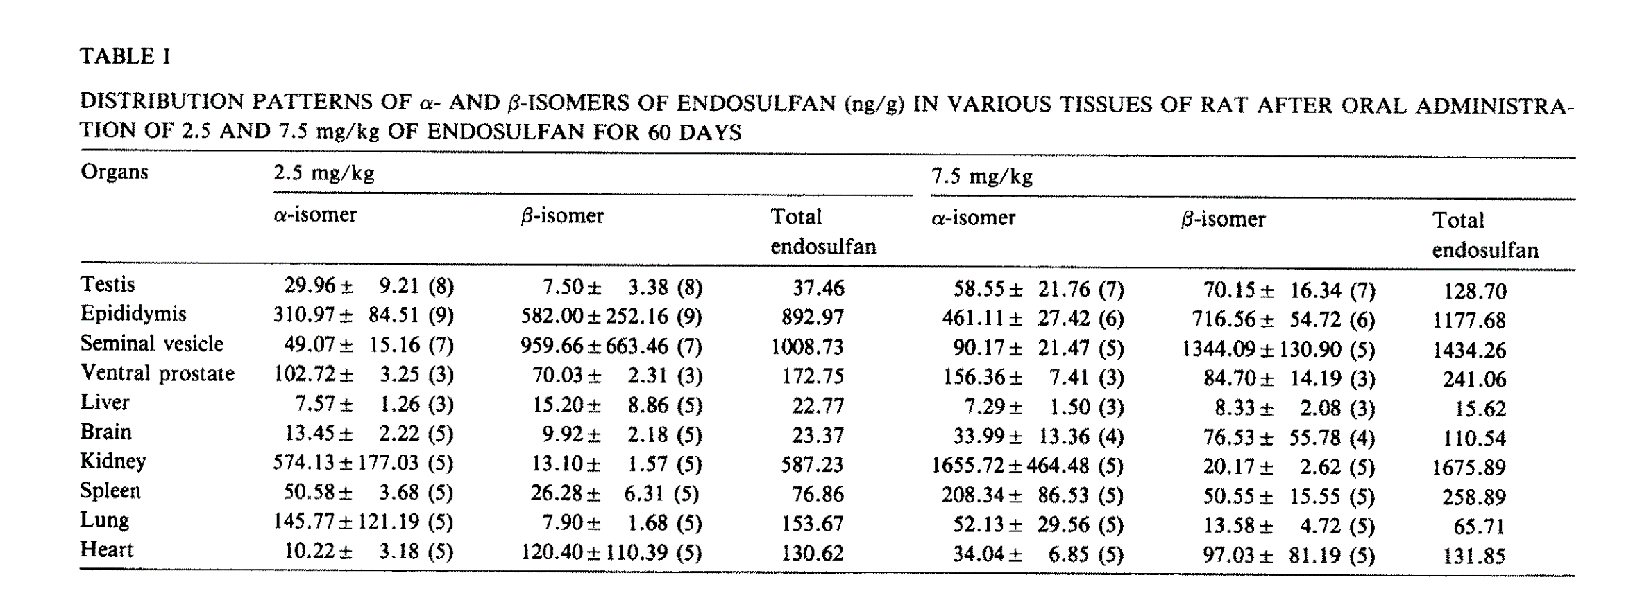
Name paper | Toxicity of endosulfan: Distribution of α- and ß-isomers of racemic endosulfan following oral administration in rats
First Author & Year | Ansari, 1985
animal | male albino rats
dose (mg/kg) | 2.5 and 7.5
frequency dosage | daily oral
Acute/Chronic etc. | long-term
Compound measrued | alpha and beta isomer
Method | gas-liquid chromotography tissues extracts (total = a + b)
Measured as | ng/g
timepoint(s) | 60 days
comments |  |  |  |  |  |  | Mw | 406.93
Summary | Alpha, Beta, Oral, Male rats, 60 days daily exposure, ng/g in tissues
 | 2.5 mg/kg |  |  | 7.5 mg/kg |  |  | ng/g -> ng/ml
Organs | alpha | beta | total | alpha | beta | total | ng/ml -> *10^3 ng/l |  |  | Alpha | Beta | Alpha | Beta
Testis | 29.96 | 7.5 | 37.46 | 58.55 | 70.15 | 128.7 | ng/l -> *10^-9 g/l |  | Testis | 0.073624456295 | 0.018430688325 | 0.092055144619 | 0.14388224019
Epididymis | 310.97 | 582 | 892.97 | 461.11 | 716.56 | 1177.68 | g/l -> /Mw mol/L |  | Epididymis | 0.76418548645 | 1.430221414 | 2.1944069004 | 1.1331432925
Seminal vesicle | 49.07 | 959.66 | 1008.73 | 90.17 | 1344.09 | 1434.26 | mol/L -> *10^6 umol/L |  | Seminal vesicle | 0.12058585015 | 2.358292581 | 2.4788784312 | 0.22158602217
Ventral prostate | 102.72 | 70.03 | 172.75 | 156.36 | 84.7 | 241.06 | so |  | Ventral prostate | 0.2524267073 | 0.17209348045 | 0.42452018775 | 0.38424299019
Liver | 7.57 | 15.2 | 22.77 | 7.29 | 8.33 | 15.62 | ng/g (/MW) -> umol/l |  | Liver | 0.018602708082 | 0.037352861672 | 0.055955569754 | 0.017914629052
Brain | 13.45 | 9.92 | 23.37 | 33.99 | 76.53 | 110.54 |  |  | Brain | 0.033052367729 | 0.024377657091 | 0.05743002482 | 0.083527879488
Kidney | 574.13 | 13.1 | 587.23 | 1655.72 | 20.17 | 1675.89 |  |  | Kidney | 1.4108814784 | 0.032192268941 | 1.4430737473 | 4.0688079031
Spleen | 50.58 | 26.28 | 76.86 | 208.34 | 50.55 | 258.89 |  |  | Spleen | 0.12429656206 | 0.06458113189 | 0.18887769395 | 0.51197994741
Lung | 145.77 | 7.9 | 153.67 | 52.13 | 13.58 | 65.71 |  |  | Lung | 0.35821885828 | 0.019413658369 | 0.37763251665 | 0.12810557098
Heart | 10.22 | 120.4 | 130.62 | 34.04 | 97.03 | 131.85 |  |  | Heart | 0.025114884624 | 0.29587398324 | 0.32098886786 | 0.083650750743

Chan, 2005; calc
Name paper | Toxicokinetics of14C-endosulfan in male Sprague-Dawley rats following oral administration of single or repeated doses
First Author & Year | Chan, 2005
animal | male rats
dose (mg/kg) | 5
frequency dosage | single oral dose
Acute/Chronic etc. | acute (single)
Compound measrued | radiolabbeled endosulfan
Measured as | mg endosulfan eq./L
timepoint(s) | 30 min,1,2,4,8 h
comments | n = 3, endosulfan radioactively labelled, so cannot be seperated
Summary | endosulfan mix, male rats, oral, minutes/hours single postdosing, mg endosulfan eq./L |  |  |  |  |  |  |  |  |  |  | MW | 406.93
 | Radioactivity concentration (mg endosulfan eq./L)
Postdosing time | 30 min | 1 h | 2 h | 4 h | 8h |  | mg/L |  |  |  |  |  | umol/l
Organs |  |  |  |  |  |  | 30 min | 1 h | 2 h | 4 h | 8h |  | 30 min | 1 h | 2 h | 4 h | 8h
Blood | 0.09 ± 0.07 | 0.33 ± 0.12 | 0.36 ± 0.08 | 0.30 ± 0.09 | 0.28 ± 0.09 | Blood | 0.09 | 0.33 | 0.36 | 0.3 | 0.28 | Blood | 0.2211682599 | 0.81095028629 | 0.88467303959 | 0.73722753299 | 0.68807903079 | 0.2211682599 | 0.81095028629 | 0.88467303959 | 0.73722753299 | 0.68807903079
Serum | 0.22 ± 0.04 | 0.43 ± 0.09 | 1.36 ± 0.31 | 1.46 ± 0.30 | 0.75 ± 0.34 | Serum | 0.22 | 0.43 | 1.36 | 1.46 | 0.75 | Serum | 0.54063352419 | 1.0566927973 | 3.3420981496 | 3.5878406606 | 1.8430688325 | 0.54063352419 | 1.0566927973 | 3.3420981496 | 3.5878406606 | 1.8430688325
Liver | 3.94 ± 0.71 | 4.56 ± 0.74 | 10.79 ± 0.53 | 13.69 ± 2.69 | 5.52 ± 4.75 | Liver | 3.94 | 4.56 | 10.79 | 13.69 | 5.52 | Liver | 9.6822549333 | 11.205858501 | 26.515616937 | 33.642149755 | 13.564986607 | 9.6822549333 | 11.205858501 | 26.515616937 | 33.642149755 | 13.564986607
Kidney | 0.23 ± 0.05 | 2.35 ± 2.85 | 1.61 ± 0.41 | 8.00 ± 3.06 | 1.83 ± 1.78 | Kidney | 0.23 | 2.35 | 1.61 | 8 | 1.83 | Kidney | 0.56520777529 | 5.7749490084 | 3.9564544271 | 19.65940088 | 4.4970879512 | 0.56520777529 | 5.7749490084 | 3.9564544271 | 19.65940088 | 4.4970879512
Stomach | 12.67 ± 12.13 | 16.91 ± 18.34 | 5.81 ± 1.15 | 7.29 ± 5.28 | 3.04 ± 0.49 | Stomach | 12.67 | 16.91 | 5.81 | 7.29 | 3.04 | Stomach | 31.135576143 | 41.55505861 | 14.277639889 | 17.914629052 | 7.4705723343 | 31.135576143 | 41.55505861 | 14.277639889 | 17.914629052 | 7.4705723343
Large Intestine | 1.35 ± 0.90 | 2.04 ± 2.96 | 1.14 ± 0.62 | 3.03 ± 1.24 | 2.27 ± 1.02 | Large Intestine | 1.35 | 2.04 | 1.14 | 3.03 | 2.27 | Large Intestine | 3.3175238985 | 5.0131472243 | 2.8014646254 | 7.4459980832 | 5.5783549996 | 3.3175238985 | 5.0131472243 | 2.8014646254 | 7.4459980832 | 5.5783549996
Small intestine | 5.46 ± 2.48 | 10.00 ± 2.11 | 12.03 ± 1.43 | 12.12 ± 5.39 | 4.74 ± 3.38 | Small intestine | 5.46 | 10 | 12.03 | 12.12 | 4.74 | Small intestine | 13.4175411 | 24.5742511 | 29.562824073 | 29.783992333 | 11.648195021 | 13.4175411 | 24.5742511 | 29.562824073 | 29.783992333 | 11.648195021
Cecum | 0.83 ± 0.27 | 0.50 ± 0.33 | 0.82 ± 0.39 | 1.30 ± 0.31 | 10.23 ± 11.46 | Cecum | 0.83 | 0.5 | 0.82 | 1.3 | 10.23 | Cecum | 2.0396628413 | 1.228712555 | 2.0150885902 | 3.194652643 | 25.139458875 | 2.0396628413 | 1.228712555 | 2.0150885902 | 3.194652643 | 25.139458875
GI tract | 20.31 ± 15.78 | 29.45 ± 23.74 | 19.79 ± 3.59 | 23.73 ± 12.21 | 20.28 ± 16.35 | GI tract | 20.31 | 29.45 | 19.79 | 23.73 | 20.28 | GI tract | 49.910303983 | 72.371169489 | 48.632442926 | 58.31469786 | 49.83658123
Spleen | 4.48 ± 5.30 | 0.47 ± 0.62 | 0.57 ± 0.16 | 0.47 ± 0.07 | 0.37 ± 0.11 | Spleen | 4.48 | 0.47 | 0.57 | 0.47 | 0.37 | Spleen | 11.009264493 | 1.1549898017 | 1.4007323127 | 1.1549898017 | 0.90924729069
Heart | 0.10 ± 0.05 | 0.19 ± 0.03 | 0.58 ± 0.06 | 0.66 ± 0.15 | 0.42 ± 0.14 | Heart | 0.1 | 0.19 | 0.58 | 0.66 | 0.42 | Heart | 0.245742511 | 0.46691077089 | 1.4253065638 | 1.6219005726 | 1.0321185462
Lung | 0.14 ± 0.05 | 1.08 ± 0.22 | 0.93 ± 0.93 | 0.88 ± 0.14 | 1.31 ± 0.25 | Lung | 0.14 | 1.08 | 0.93 | 0.88 | 1.31 | Lung | 0.3440395154 | 2.6540191188 | 2.2854053523 | 2.1625340968 | 3.2192268941
Brain | 0.11 ± 0.05 | 0.14 ± 0.01 | 0.61 ± 0.06 | 0.41 ± 0.16 | 0.27 ± 0.10 | Brain | 0.11 | 0.14 | 0.61 | 0.41 | 0.27 | Brain | 0.2703167621 | 0.3440395154 | 1.4990293171 | 1.0075442951 | 0.66350477969 | 0.2703167621 | 0.3440395154 | 1.4990293171 | 1.0075442951 | 0.66350477969
Throid gland | 6.50 ± 10.60 | 0.30 ± 0.07 | 2.62 ± 0.94 | 1.53 ± 0.66 | 2.50 ± 1.15 | Throid gland | 6.5 | 0.3 | 2.62 | 1.53 | 2.5 | Throid gland | 15.973263215 | 0.73722753299 | 6.4384537881 | 3.7598604183 | 6.1435627749
Muscle | 0.04 ± 0.02 | 0.05 ± 0.01 | 0.26 ± 0.01 | 0.29 ± 0.10 | 0.18 ± 0.06 | Muscle | 0.04 | 0.05 | 0.26 | 0.29 | 0.18 | Muscle | 0.098297004399 | 0.1228712555 | 0.63893052859 | 0.71265328189 | 0.44233651979
Testies | 0.03 ± 0.01 | 0.06 ± 0.02 | 0.95 ± 0.16 | 0.33 ± 0.04 | 0.25 ± 0.07 | Testies | 0.03 | 0.06 | 0.95 | 0.33 | 0.25 | Testies | 0.073722753299 | 0.1474455066 | 2.3345538545 | 0.81095028629 | 0.61435627749 | 0.073722753299 | 0.1474455066 | 2.3345538545 | 0.81095028629 | 0.61435627749
Fat | 2.17 ± 1.36 | 1.43 ± 0.42 | 4.44 ± 1.66 | 4.23 ± 0.93 | 3.61 ± 1.56 | Fat | 2.17 | 1.43 | 4.44 | 4.23 | 3.61 | Fat | 5.3326124886 | 3.5141179073 | 10.910967488 | 10.394908215 | 8.871304647 | 5.3326124886 | 3.5141179073 | 10.910967488 | 10.394908215 | 8.871304647

 |  |  |  | ±
Excel PDF to table
Column1 | Column2 | Column3 | Column4 | Column5 | Column6
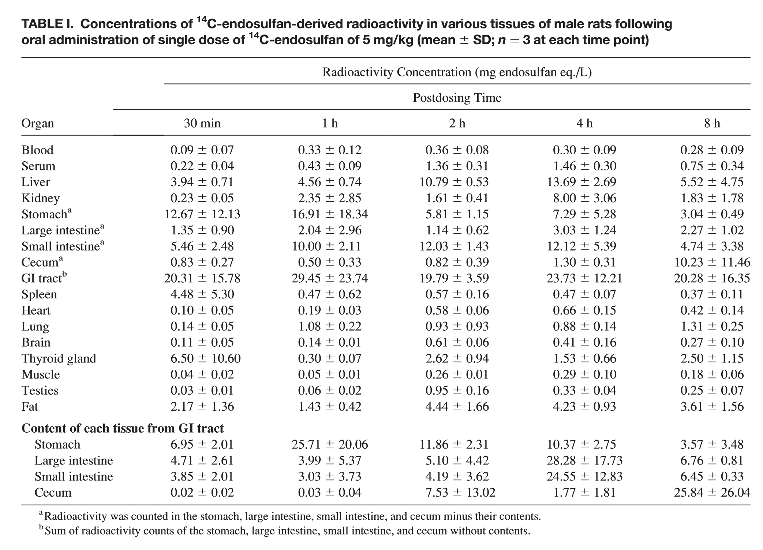
 |  |  | PostdosingTime
Organ | 30min | 1h | 2h | 4h | 8h
Blood | 0.09 6 0.07 | 0.33 6 0.12 | 0.36 6 0.08 | 0.30 6 0.09 | 0.28 6 0.09
Serum | 0.22 6 0.04 | 0.43 6 0.09 | 1.36 6 0.31 | 1.46 6 0.30 | 0.75 6 0.34
Liver | 3.94 6 0.71 | 4.56 6 0.74 | 10.79 6 0.53 | 13.69 6 2.69 | 5.52 6 4.75
Kidney | 0.23 6 0.05 | 2.35 6 2.85 | 1.61 6 0.41 | 8.00 6 3.06 | 1.83 6 1.78
Stomach^{a} | 12.67 6 12.13 | 16.91 6 18.34 | 5.81 6 1.15 | 7.29 6 5.28 | 3.04 6 0.49
Largeintestine^{a} | 1.35 6 0.90 | 2.04 6 2.96 | 1.14 6 0.62 | 3.03 6 1.24 | 2.27 6 1.02
Smallintestine^{a} | 5.46 6 2.48 | 10.00 6 2.11 | 12.03 6 1.43 | 12.12 6 5.39 | 4.74 6 3.38
Cecum^{a} | 0.83 6 0.27 | 0.50 6 0.33 | 0.82 6 0.39 | 1.30 6 0.31 | 10.23 6 11.46
GItract^{b} | 20.31 6 15.78 | 29.45 6 23.74 | 19.79 6 3.59 | 23.73 6 12.21 | 20.28 6 16.35
Spleen | 4.48 6 5.30 | 0.47 6 0.62 | 0.57 6 0.16 | 0.47 6 0.07 | 0.37 6 0.11
Heart | 0.10 6 0.05 | 0.19 6 0.03 | 0.58 6 0.06 | 0.66 6 0.15 | 0.42 6 0.14
Lung | 0.14 6 0.05 | 1.08 6 0.22 | 0.93 6 0.93 | 0.88 6 0.14 | 1.31 6 0.25
Brain | 0.11 6 0.05 | 0.14 6 0.01 | 0.61 6 0.06 | 0.41 6 0.16 | 0.27 6 0.10
Thyroidgland | 6.50 6 10.60 | 0.30 6 0.07 | 2.62 6 0.94 | 1.53 6 0.66 | 2.50 6 1.15
Muscle | 0.04 6 0.02 | 0.05 6 0.01 | 0.26 6 0.01 | 0.29 6 0.10 | 0.18 6 0.06
Testies | 0.03 6 0.01 | 0.06 6 0.02 | 0.95 6 0.16 | 0.33 6 0.04 | 0.25 6 0.07
Fat | 2.17 6 1.36 | 1.43 6 0.42 | 4.44 6 1.66 | 4.23 6 0.93 | 3.61 6 1.56
 | ContentofeachtissuefromGItract
Stomach | 6.95 6 2.01 | 25.71 6 20.06 | 11.86 6 2.31 | 10.37 6 2.75 | 3.57 6 3.48
Largeintestine | 4.71 6 2.61 | 3.99 6 5.37 | 5.10 6 4.42 | 28.28 6 17.73 | 6.76 6 0.81
Smallintestine | 3.85 6 2.01 | 3.03 6 3.73 | 4.19 6 3.62 | 24.55 6 12.83 | 6.45 6 0.33
Cecum | 0.02 6 0.02 | 0.03 6 0.04 | 7.53 6 13.02 | 1.77 6 1.81 | 25.84 6 26.04

Chan and Mohd, 2005; calc
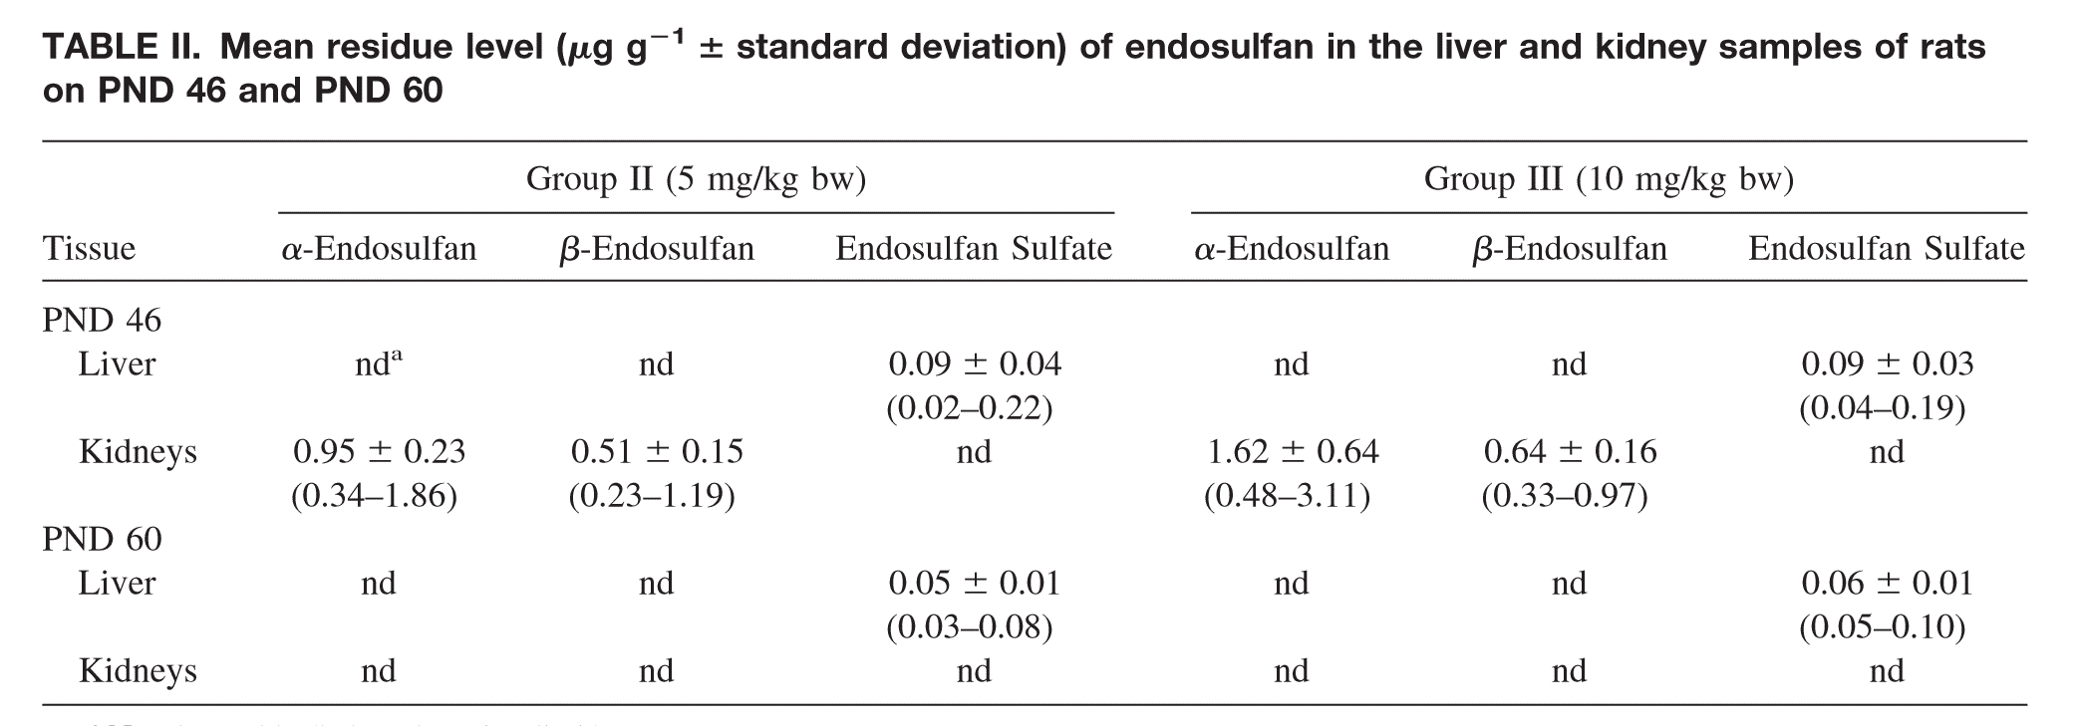

 |  |  |  |  |  |  |  |  | 15 days exposure, residues at day 16

 | Mw
ES | 406.94 | g/mol
ESS | 422.95 | g/mol

 | Detection limit | ESA | 3 | ng/ml | 0.0073720941662 | umol/L
 |  | ESB | 10 | ng/ml | 0.024573647221 | umol/L
 |  | ESS | 30 | ng/ml | 0.07093037002 | umol/L

 | PND | time exposure (days) |  |  | PND (hours)
start treatment | 31 | 0 |  |  | 744 | exposure 1
 | 45 | 14 |  |  | 1080 | last exposure
 | 46 | 15 |  |  | 1104 |  | 360
 | 60 | 29 |  |  | 1440 |  | 696
ug/g | (ug/g / * 1000 / MW -> umol/L)
46 | ESA | ESB | ESS |  |  | ESA | ESB | ESS
Liver |  |  | 0.09 |  |  |  |  | 0.09
Kidneys | 0.95 | 0.51 |  |  |  | 1.62 | 0.64
60
Liver |  |  | 0.05 |  |  |  |  | 0.06
Kidneys

umol/L
46 | ESA | ESB | ESS |  |  | ESA | ESB | ESS
Liver | 0 | 0 | 0.21279111006 |  |  | 0 | 0 | 0.21279111006
Kidneys | 2.334496486 | 1.2532560083 | 0 |  |  | 3.9809308498 | 1.5727134221 | 0
60 | 0 | 0 | 0 |  |  | 0 | 0 | 0
Liver | 0 | 0 | 0.11821728337 |  |  | 0 | 0 | 0.14186074004
Kidneys | 0 | 0 | 0 |  |  | 0 | 0 | 0

Leist and Mayer, 1987; calc
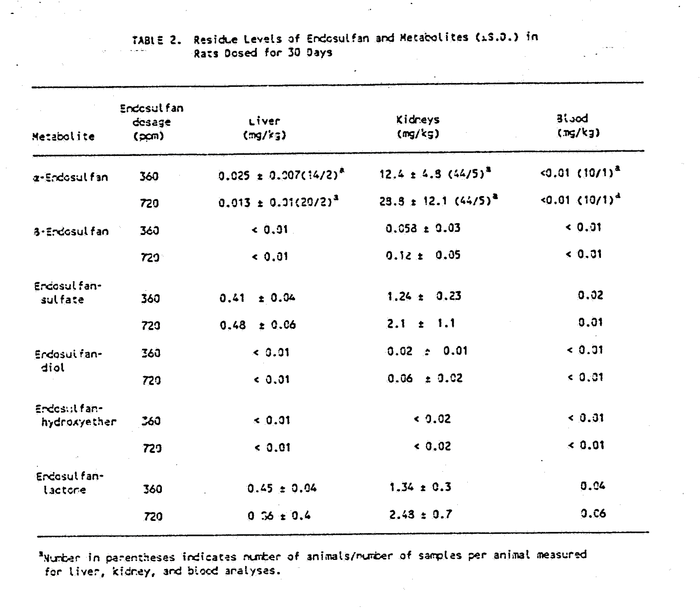
 | 29.48910132 | mg/kg
 |  | liver | kidneys | blood |  |  |  |  | liver | kidneys | blood
ESA | 34 | 0.025 | 12.4 |  |  |  | ESA | 34 |  | 0.02
 | 67.8 | 0.013 | 28.8 |  |  |  |  | 67.8 |  | 0.06
ESB | 34 |  | 0.058 |  |  |  | ESB | 34
 | 67.8 |  | 0.12 |  |  |  |  | 67.8
ESS | 34 | 0.41 | 1.24 | 0.02 |  |  | ESS | 34
 | 67.8 | 0.48 | 2.1 | 0.01 |  |  |  | 67.8 |  | 0.03

mw | 406.93 | bw | 138-168 | 153
 | 422.95
 |  | umol/L |  |  |  |  |  |  | umol/L
 |  | liver | kidneys | blood |  |  |  |  | liver | kidneys | blood
ESA | 34 | 0.061435627749 | 30.472071364 | 0 |  |  | ESA | 34 | 0 | 0.049148502199 | 0
 | 67.8 | 0.03194652643 | 70.773843167 | 0 |  |  |  | 67.8 | 0 | 0.1474455066 | 0
ESB | 34 | 0 | 0.14253065638 | 0 |  |  | ESB | 34 | 0 | 0 | 0
 | 67.8 | 0 | 0.2948910132 | 0 |  |  |  | 67.8 | 0 | 0 | 0
ESS | 34 | 0.96938172361 | 2.9317886275 | 0.047286913347 |  |  | ESS | 34 | 0 | 0 | 0
 | 67.8 | 1.1348859203 | 4.9651259014 | 0.023643456673 |  |  |  | 67.8 | 0 | 0.07093037002 | 0

assumed mg/kg is mg/L

 |  |  | purity | 0.979 | 0.6853 | 0.2937

